Diagram
 | Displacement at mid-span [mm]
0.00E+00 | 0.00E+00
1.00E-02 | -2.39E-02
2.00E-02 | -4.79E-02
3.00E-02 | -7.18E-02
4.00E-02 | -9.58E-02
5.00E-02 | -1.20E-01
6.00E-02 | -1.44E-01
7.00E-02 | -1.68E-01
8.00E-02 | -1.92E-01
9.00E-02 | -2.15E-01
1.00E-01 | -2.39E-01
1.10E-01 | -2.63E-01
1.20E-01 | -2.87E-01
1.30E-01 | -3.11E-01
1.40E-01 | -3.35E-01
1.50E-01 | -3.59E-01
1.60E-01 | -3.83E-01
1.70E-01 | -4.07E-01
1.80E-01 | -4.31E-01
1.90E-01 | -4.55E-01
2.00E-01 | -4.79E-01
2.10E-01 | -5.03E-01
2.20E-01 | -5.27E-01
2.30E-01 | -5.51E-01
2.40E-01 | -5.75E-01
2.50E-01 | -5.99E-01
2.60E-01 | -6.22E-01
2.70E-01 | -6.46E-01
2.80E-01 | -6.70E-01
2.90E-01 | -6.94E-01
3.00E-01 | -7.18E-01
3.10E-01 | -7.42E-01
3.20E-01 | -7.66E-01
3.30E-01 | -7.90E-01
3.40E-01 | -8.14E-01
3.50E-01 | -8.38E-01
3.60E-01 | -8.62E-01
3.70E-01 | -8.86E-01
3.80E-01 | -9.10E-01
3.90E-01 | -9.34E-01
4.00E-01 | -9.58E-01
4.10E-01 | -9.82E-01
4.20E-01 | -1.01E+00
4.30E-01 | -1.03E+00
4.40E-01 | -1.05E+00
4.50E-01 | -1.08E+00
4.60E-01 | -1.10E+00
4.70E-01 | -1.13E+00
4.80E-01 | -1.15E+00
4.90E-01 | -1.17E+00
...

Deflected shape
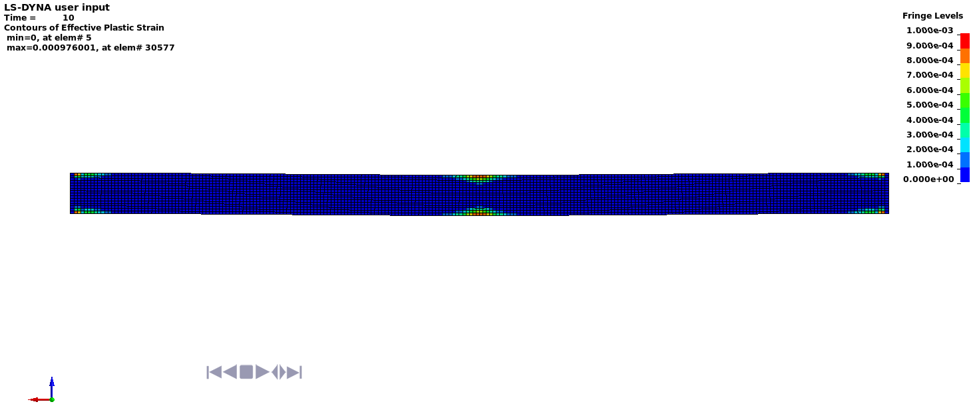

Deflected shape with visible contours of plasticity

